Inquiry
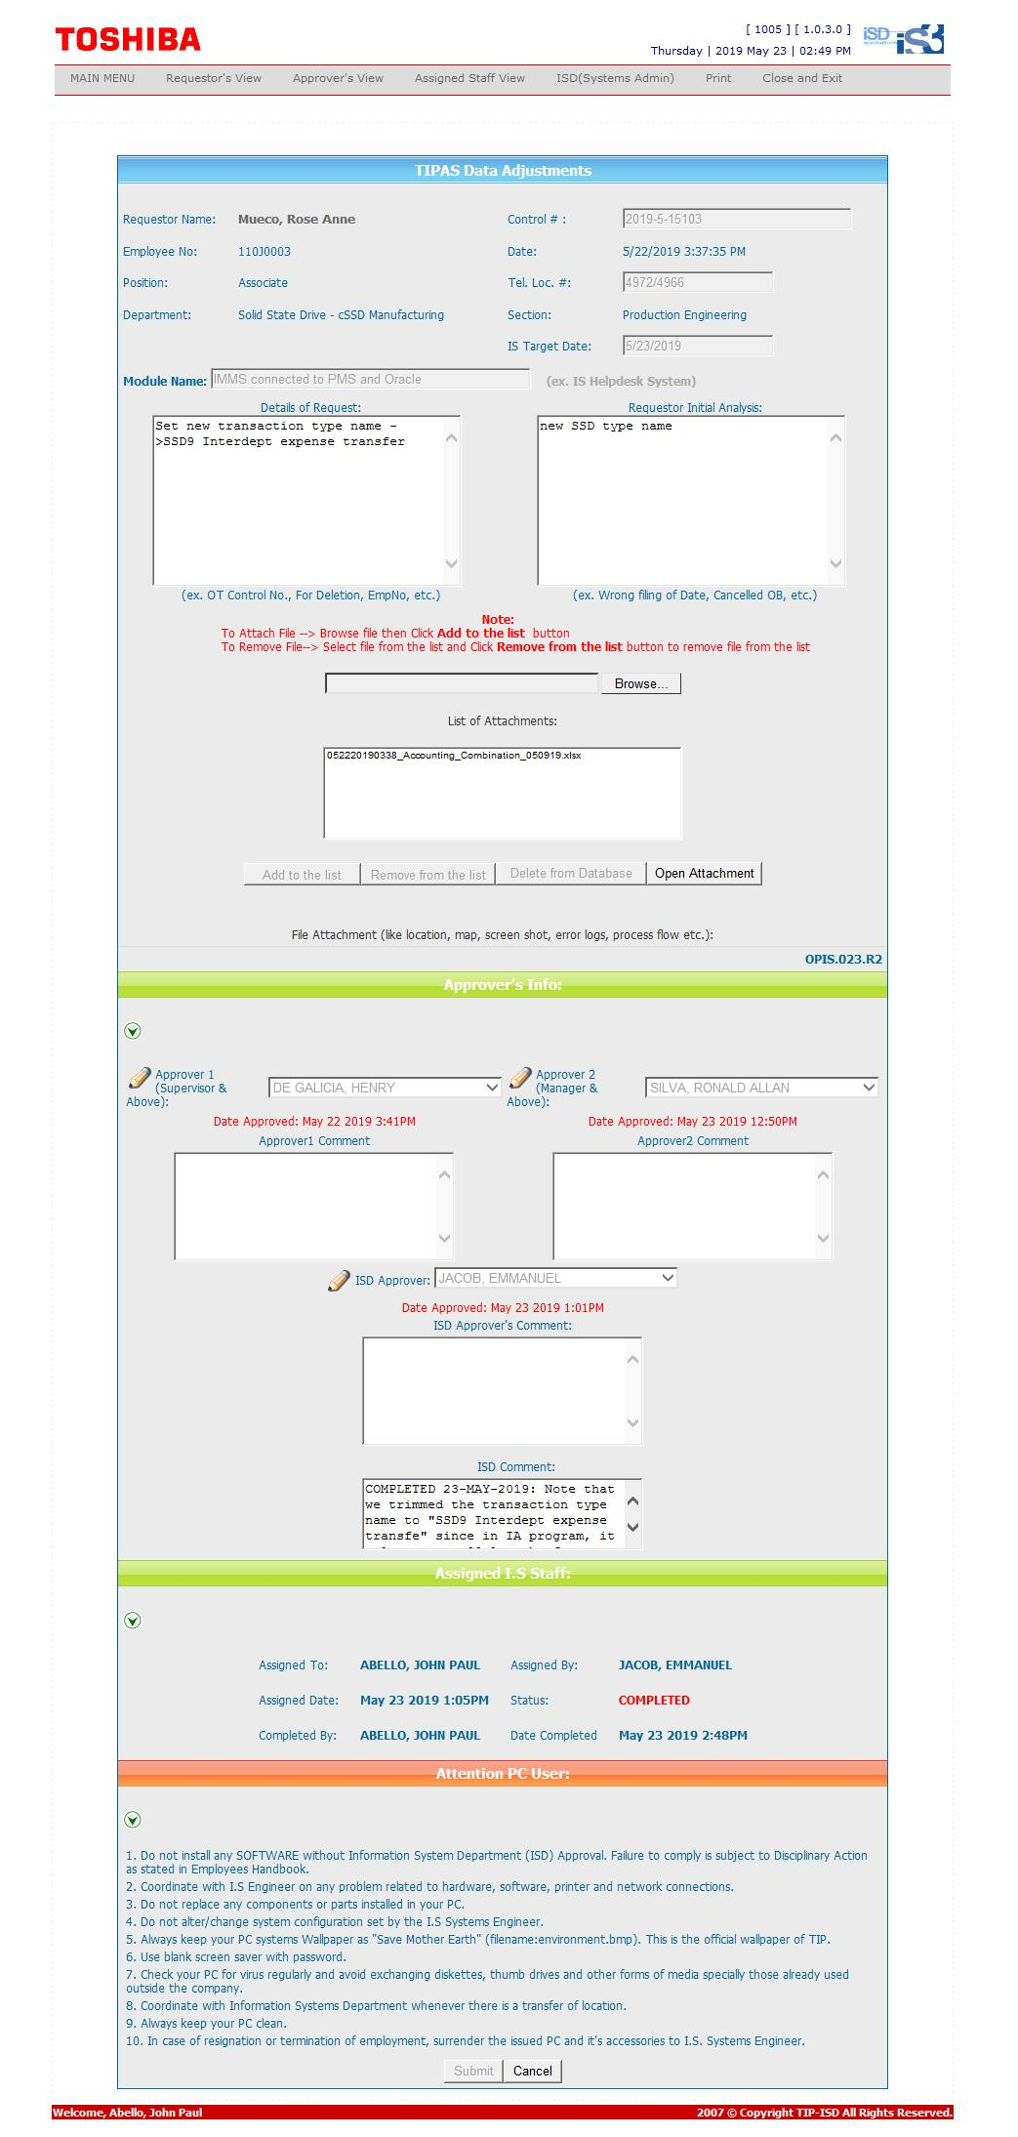

Procedure
PRS7
XXD4 TIP Inventory --> Setup --> Transactions --> Types

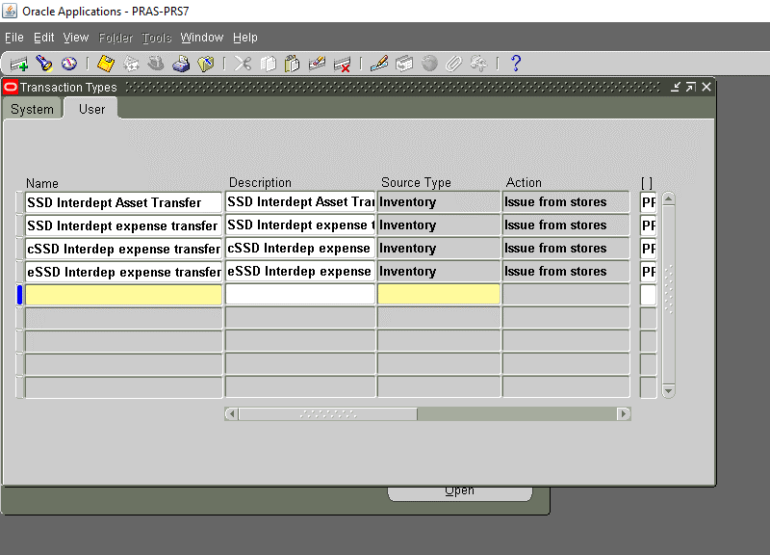
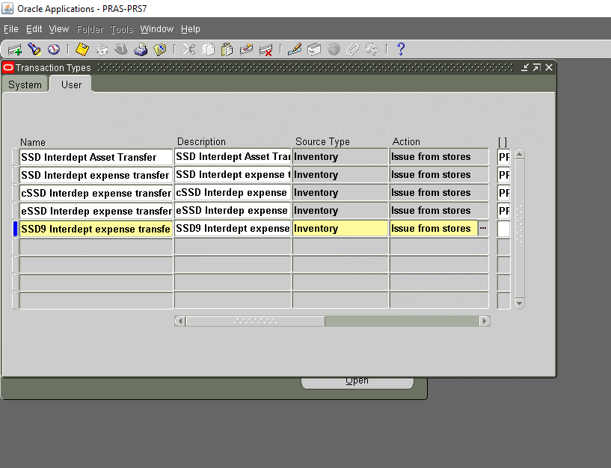

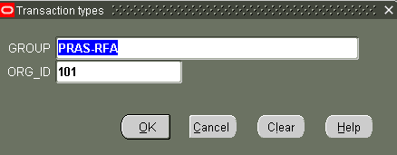

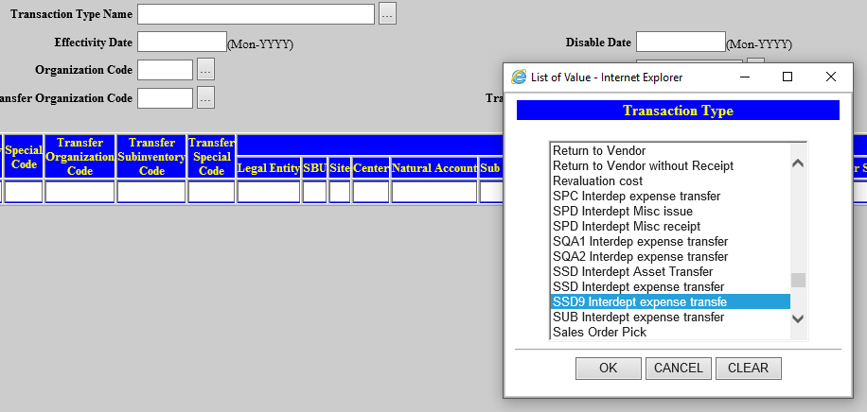

PRS3

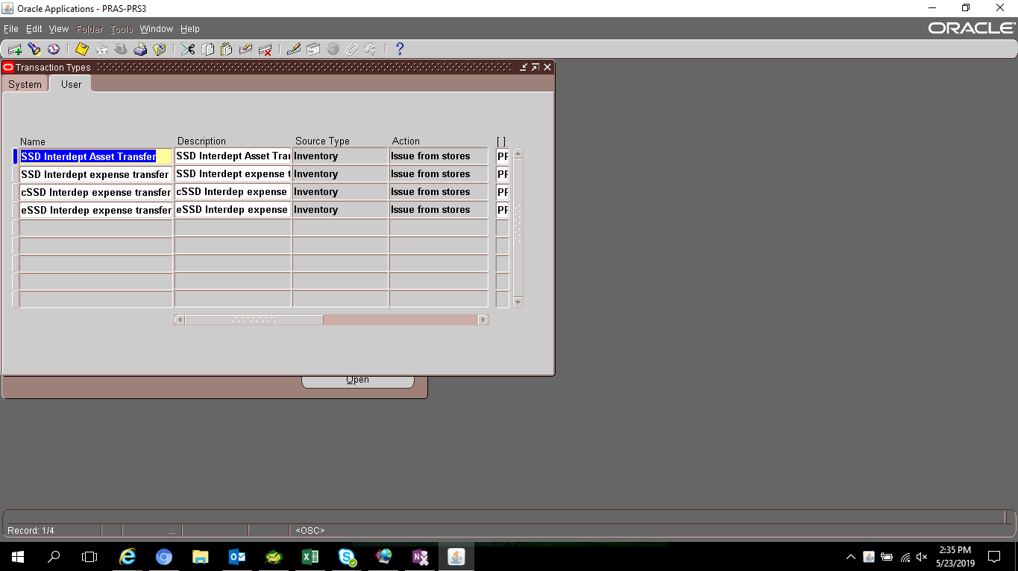

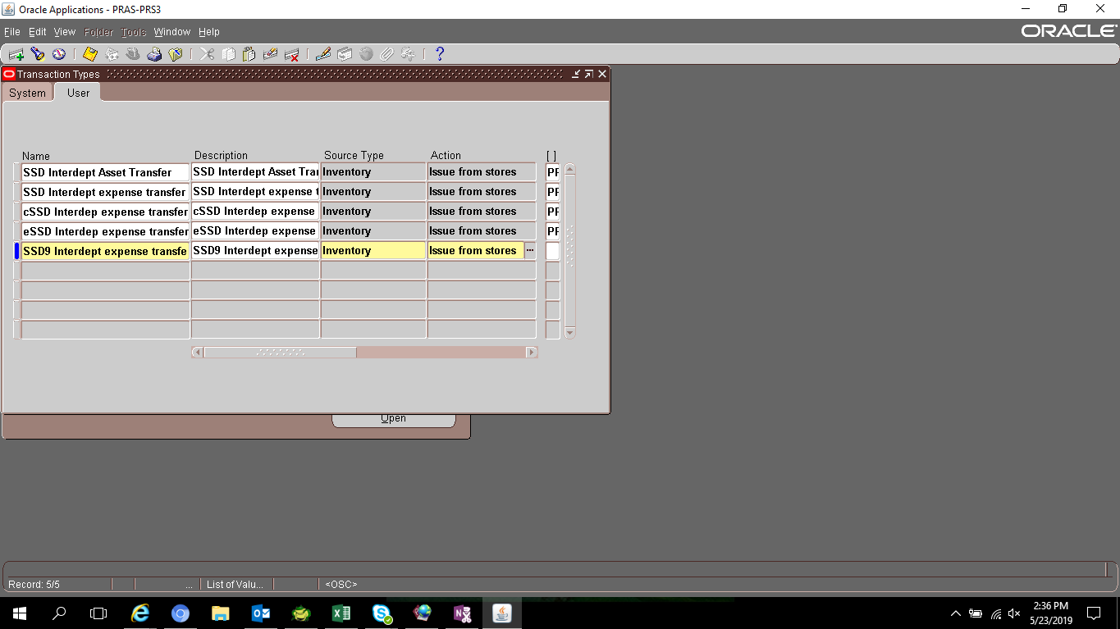

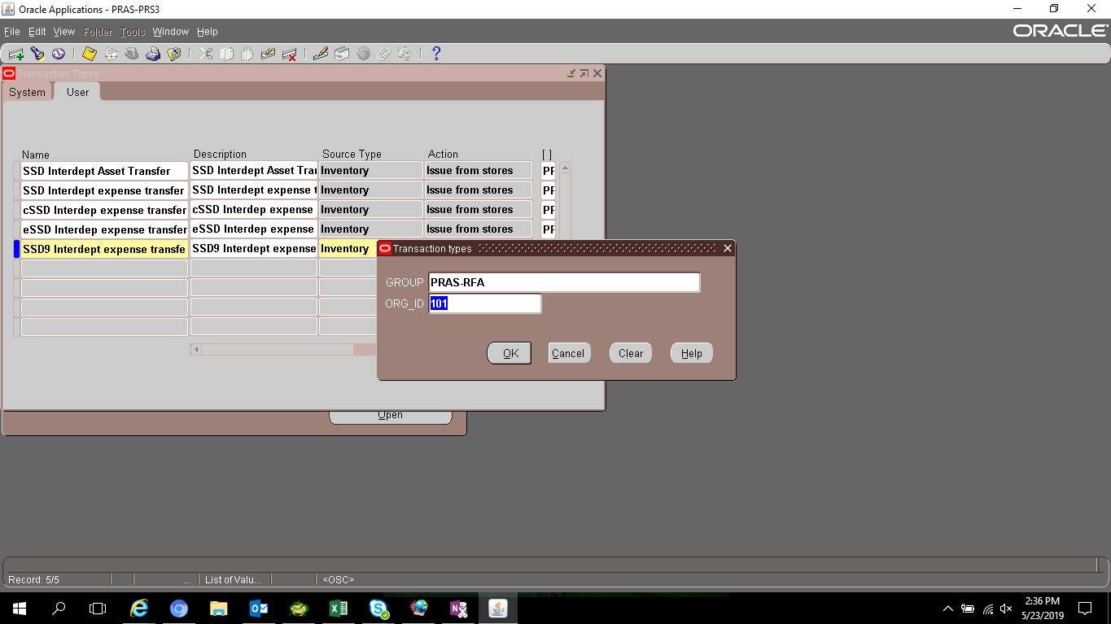

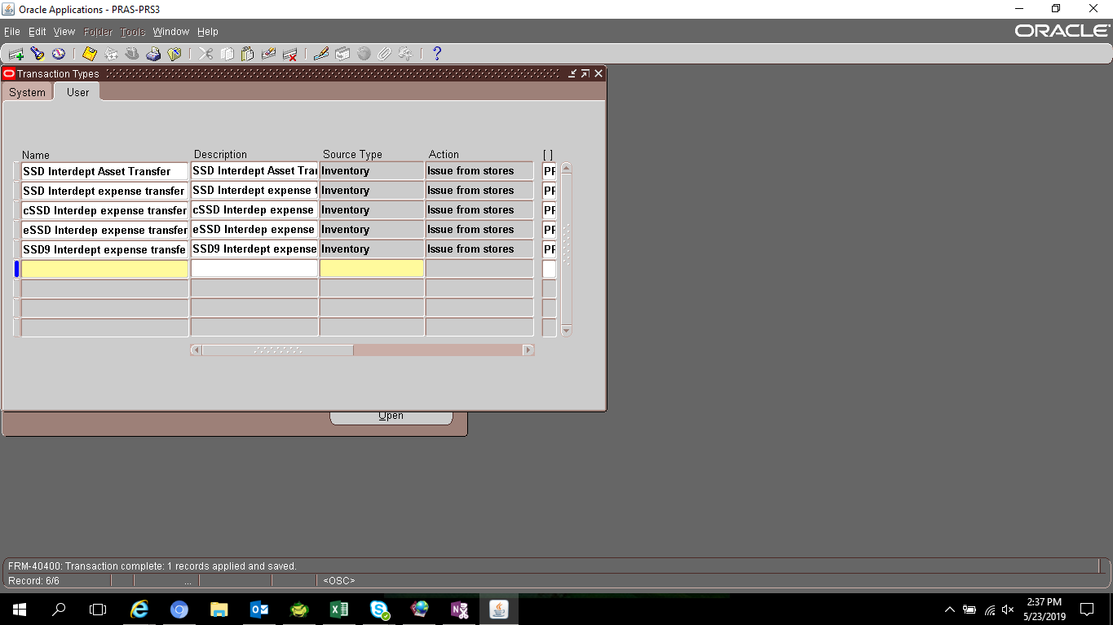

SELECT *
FROM mtl_transaction_types
WHERE description LIKE '%SSD9%'

TRANSACTION_TYPE_ID | LAST_UPDATE_DATE | LAST_UPDATED_BY | CREATION_DATE | CREATED_BY | TRANSACTION_TYPE_NAME | DESCRIPTION | TRANSACTION_ACTION_ID | TRANSACTION_SOURCE_TYPE_ID | SHORTAGE_MSG_BACKGROUND_FLAG | SHORTAGE_MSG_ONLINE_FLAG | DISABLE_DATE | USER_DEFINED_FLAG | ATTRIBUTE1 | ATTRIBUTE2 | ATTRIBUTE3 | ATTRIBUTE4 | ATTRIBUTE5 | ATTRIBUTE6 | ATTRIBUTE7 | ATTRIBUTE8 | ATTRIBUTE9 | ATTRIBUTE10 | ATTRIBUTE11 | ATTRIBUTE12 | ATTRIBUTE13 | ATTRIBUTE14 | ATTRIBUTE15 | ATTRIBUTE_CATEGORY | TYPE_CLASS | STATUS_CONTROL_FLAG | LOCATION_REQUIRED_FLAG
468 | 5/23/19 | 11989 | 5/23/19 | 11989 | SSD9 Interdept expense transfe | SSD9 Interdept expense transfer | 1 | 13 | 2 | 2 |  | Y | PRAS-RFA | 101 |  |  |  |  |  |  |  |  |  |  |  |  |  |  | 2 | 2 | N

